1. Title Page
Basket Analysis

Project Name: Instacart Basket Analysis
Date: November 27th, 2023
Analyst Name: David Ekstrom

Contents:
Population Flow
Consistency checks
Wrangling steps
Column derivations
Visualizations
Recommendations

Data Citation
“The Instacart Online Grocery Shopping Dataset 2017”, Accessed from www.instacart.com/datasets/grocery-shopping-2017 via Kaggle on 11/25/2023.

2. Population Flow
Title page

Population flow

Exclusion flag
Condition: max_order < 5
Obervations to be removed: 1,440,325
Final total count of order_products_all: 30,965,993

Orders_products_combined
Orders_products_merged
Orders_products_all

Total: 32,406,320
Total: 32,434,489
Total: 32,406,318

1.) The grey boxes in the first row of the population flow represent the original data sets as they were when you downloaded them. In the Total fields you need to add the count of the rows when you imported the data set into Jupyter.
2.) The second row of boxes (coloured) represents the data sets after you manipulated them, e.g., removed missing values and duplicates. In the Total fields you need to add the count of the rows after conducting these operations. This offers a visual overview of how the data flows throughout the data consistency checks.
3.) The third row, where also the arrows are coloured, represents the merges you performed between the datasets. In the Total fields you need to add the count of the rows in the merged datasets, so that you end up with the final dataset (in the red box). Keep in mind the final dataset should be without exclusions (based on the exclusion flag).

3. Consistency checks
 |  |  |  |  | Title page
Consistency checks

Dataset | Missing values | Missing values treatment | Incorrect Values Treatment | Duplicates
orders | df_ords['days_since_prior_order'] has 206,209 missing values | created 'first_order' flag column that == True for df_ords['days_since_prior_order'].isnull() |  | no duplicates
products | df_prods['product_name'] had 16 missing values | removed these 16 observations within new data frame | imputed two price outliers with the mean value of similar products for each outlier | removed 5 full duplicate observations from df_prods. Also relabeled product_is for two products that identical product_ids as two other products.
ords_prods_merge | there are 2076185 missing values for days_since_prior_order column: ords_prods_merge[ords_prods_merge['days_since_prior_order'].isnull()] | created cross tab to analyze and confirm missing values are result of there not being any days before the first orders: crosstab = pd.crosstab(ords_prods_merge['days_since_prior_order'], ords_prods_merge['order_number'], dropna = False)

4. Wrangling steps
 |  |  |  | Title page
Wrangling steps

Columns dropped | Columns renamed | Columns' type changed | Comment/Reason
df_ords.eval_set |  |  | Column not needed. Removed for efficiency.
 | df_ords.orders_dow -> df_ords.orders_day_of_week |  | Column name changed for improved readability.
 |  | df_ords[order_id].dtype int -> str | Columns data type changed to str from int because column values represent IDs not operable numbers
 |  | df_ords[user_id].dtype int -> str | Columns data type changed to str from int because column values represent IDs not operable numbers
df_dep |  |  | Data transposed from wide to tall format.
 |  | df_cust[user_id].dtype int -> str | Columns data type changed to str from int because column values represent IDs not operable numbers
 | df_cust columns changed --> {'First Name':'first_name', 'Surnam':'surname', 'Gender':'gender', 'STATE':'state', 'Age':'age', 'n_dependants':'num_of_dependants'} |  | Column names changed for consistency and improved readability.
 |  | df_cust[first_name].dtype int -> str | Columns data type changed to str because there were mixed data types in column.
df_all.drop(columns=['first_name', 'surname']) |  |  | Thse two columns contain PII so I have dropped them for data security concerns.

5. Column derivations
 |  |  |  | Title page

Column derivations and aggregations

In this tab you should add tables below that the frequences of flags/label variables that you produced after deriving them. NB: don't do this for continuous variables, only for flags.
Dataset | New column | Column/s it was derived from | Conditions
ords_prods_merged_derived.pkl | price_range_loc | prices | - 'prices <= 5 is "Low-range product"; - prices > 5 & <=15 is "Mid-range product"; - prices > 15 is "High range"
ords_prods_merged_derived.pkl | busiest_day | orders_day_of_week | - highest order day is "Busiest day"; - lowest order day is "Least busy"; - the rest are "Regularly busy"
ords_prods_merged_derived.pkl | busiest_days | orders_day_of_week | - highest order 2 days are "Busiest days"; - lowest order 2 days are "Slowest Days"; - the rest are "Regularly busy Days"
ords_prods_merged_derived.pkl | busiest_period_of_day | order_hour_of_day | - top 3rd of highest order hours are "Most orders"; - middle 3rd of highest order hours are "Average orders"; - bottom 3rd of highest order hours are "Fewest orders"
ords_prods_merged_derived_final.pkl | max_order | order_number | max of order_number when grouped by user_id
ords_prods_merged_derived_final.pkl | loyalty_flag | max_order | - max_orders > 40 is "Loyal customer"; - max_orders > 10 & <= 40 is "Regular customer"; - max_orders <= 10 is "New customer"
ords_prods_merged_derived_final.pkl | average_price | prices | average of prices when grouped by user_id
ords_prods_merged_derived_final.pkl | spending_flag | average_price | - average_price < 10 is "Low spender"; - average_price >= 10 is "Higher spender"
ords_prods_merged_derived_final.pkl | days_since_prior_median | days_since_prior_order | median of days_since_prior_order when grouped by user_id
ords_prods_merged_derived_final.pkl | order_freq_flag | days_since_prior_median | - days_since_prior_median > 20 is "Non-frequent customer"; - days_since_prior_median > 10 & <= 20 is "Regular customer"; - days_since_prior_median <= 10 is "Frequent customer"
orders_products_all_normal.pkl | region | state | - 'state' in ['Maine','New Hampshire','Vermont','Massachusetts','Rhode Island','Connecticut','New York','Pennsylvania','New Jersey'] is Northeast; - 'state' in ['Wisconsin','Michigan','Illinois','Indiana','Ohio','North Dakota','South Dakota','Nebraska','Kansas','Minnesota','Iowa','Missouri'] is Midwest; - 'state' in ['Delaware','Maryland','District of Columbia','Virginia','West Virginia','North Carolina','South Carolina','Georgia','Florida','Kentucky','Tennessee','Mississippi','Alabama','Oklahoma','Texas','Arkansas','Louisiana'] is South; - 'state in ['Idaho','Montana','Wyoming','Nevada','Utah','Colorado','Arizona','New Mexico','Alaska','Washington','Oregon','California','Hawaii'] is West;
orders_products_all_normal.pkl | activity_level | max_order | - max_order < 5 is 'Low-activity customer'; - max order >= 5 is 'Normal-activity customer'
orders_products_all_normal.pkl | age_group | age | - age < 40 is 'Young Adult'; - age <= 40 & < 65 is 'Middle-aged adult'; - age >= 65 is 'Senior'
orders_products_all_normal.pkl | household_status | fam_status; num_of_dependents | - fam_status == 'married' & num_of_dependents != 0 is 'Married Parent'; - fam_status == 'married' & num_of_dependents == 0 is 'Married non-parent'; - fam_status != 'married' & num_of_dependents == 0 is 'Single non-parent'; - fam_status != 'married' & num_of_dependents != 0 is 'Single parent'
orders_products_all_normal.pkl | socioec_class | income | - income < 28000 is 'Lower'; - income >= 28000 & < 55000 is 'Lower middle'; - income >= 55000 & < 90000 is 'Middle'; - income >= 90000 & < 150000 is 'Upper middle'; - income >= 150000 is 'Upper';
orders_products_all_normal.pkl | price_tier | prices | - prices < 25th percentile is 'budget q1'; - prices >= 25th percentile & < 50th percentile is 'affordable q2'; - prices >= 50th percentile & < 75th percentile is 'moderate q3'; - prices >= 75th percentail is 'premium q4';

6. Visualizations
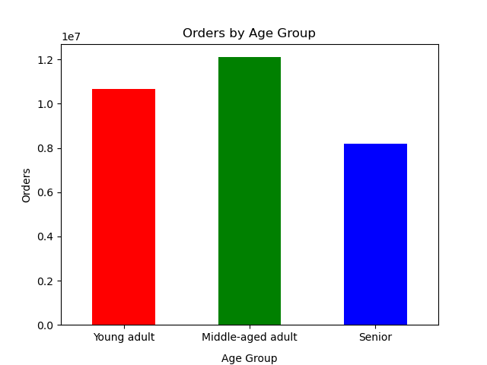
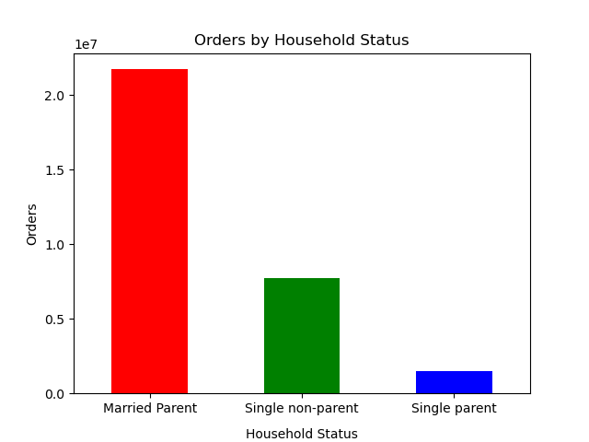
 |  | Title page

Visualisations

In this tab you should include all the visualtions from Exercises 4.9 and 4.10, alongside the questions from the project brief that they answer. Include any commentary on the relationship between different variables.

 | Key Question #1:
 | The sales team needs to know what the busiest days of the week and hours of the day are (i.e., the days and times with the most orders) in order to schedule ads at times when there are fewer orders.

 | Visualization(s):
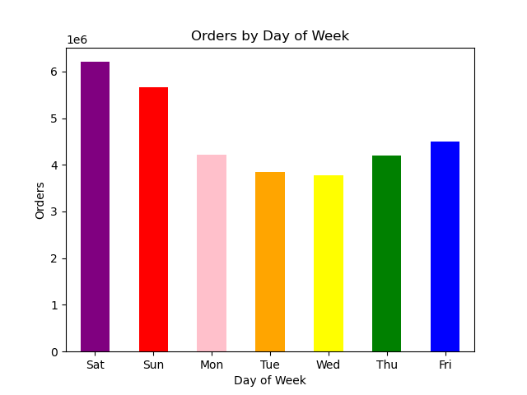


 | Commentary:
 | The days with the most orders are Saturday and Sunday and the days with the least orders are Monday, Tuesday and Wednesday. The time of day with the most orders is from 10am to 4pm and the time of day with the least orders is from midnight to 6am.
____________________________________________________________________________________________________________________________________________________________________

 | Key Question #2:
 | They also want to know whether there are particular times of the day when people spend the most money, as this might inform the type of products they advertise at these times.
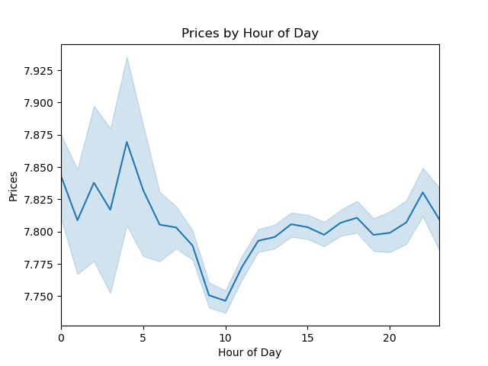
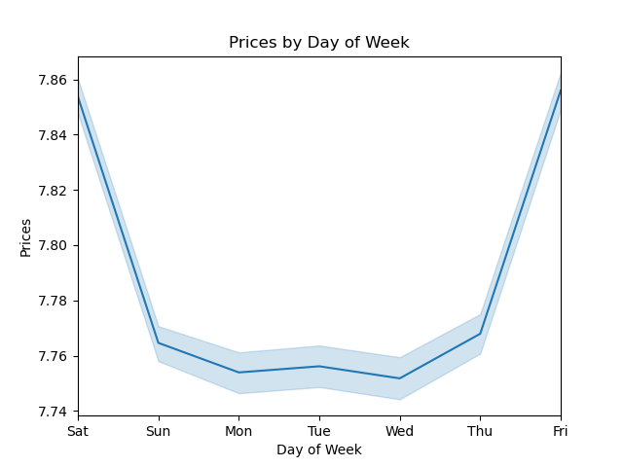

 | Commentary:
 | The time of day when people spend the most monday is from about 11pm to 5am while the lowest expenditure time of day is from about 9am to 11am. The highest expenditure datys are Friday and Saturday while Sunday - Thursday are all very low spend days.
____________________________________________________________________________________________________________________________________________________________________

 | Key Question #4:
 | Instacart has a lot of products with different price tags. Marketing and sales want to use simpler price range groupings to help direct their efforts.
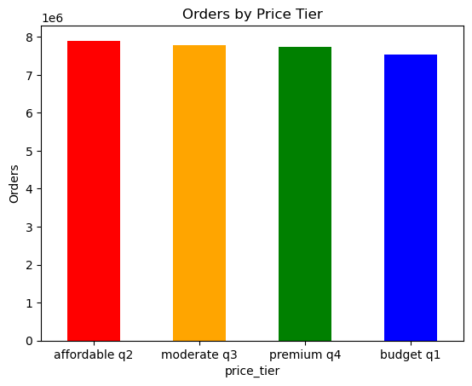
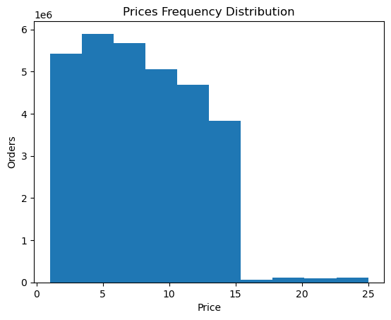

 | Commentary:
 | Categorizing prices by tier helps us visually understand the shape and distribution. In the case, the bar chart uses a price_tier flag which divides the prices into 4 price ranges dictated by the quartiles (25th, 50th, 75th percentiles) of the prices column. The histogram on the other hand visualizes the price frequency distribution with a set number of bins, in this case 10.
____________________________________________________________________________________________________________________________________________________________________

 | Key Question #4:
 | Are there certain types of products that are more popular than others? The marketing and sales teams want to know which departments have the highest frequency of product orders

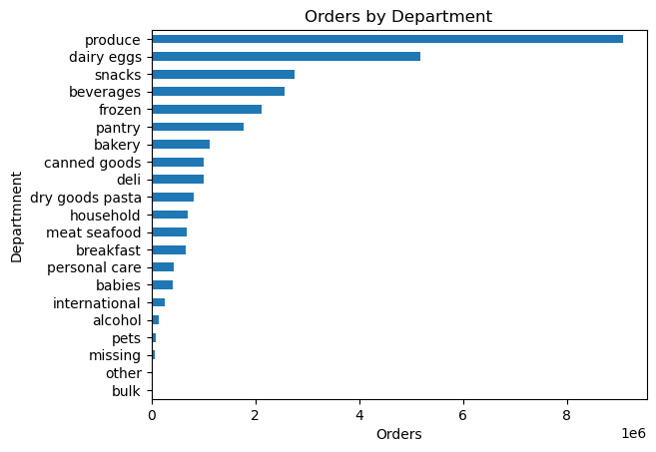

 | Commentary:
 | Yes produce is the most popular followed by dairy & eggs.
____________________________________________________________________________________________________________________________________________________________________

 | Key Question #6:
 | What’s the distribution among users in regards to their brand loyalty (i.e., how often do they return to Instacart)?
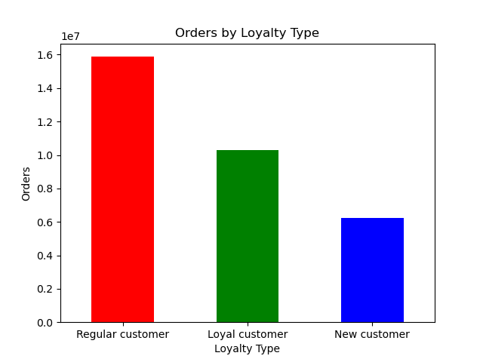

 | Commentary:
 | Regular customers make the most orders followed by loyal customers and lastly by new customers.
____________________________________________________________________________________________________________________________________________________________________

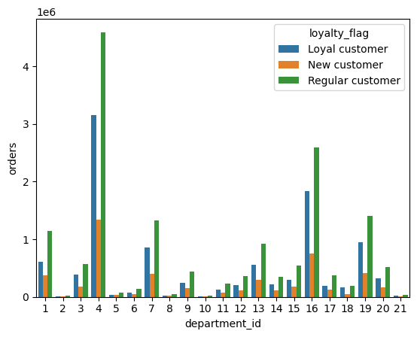
 | Key Question #7:
 | Are there differences in ordering habits based on a customer’s loyalty status?
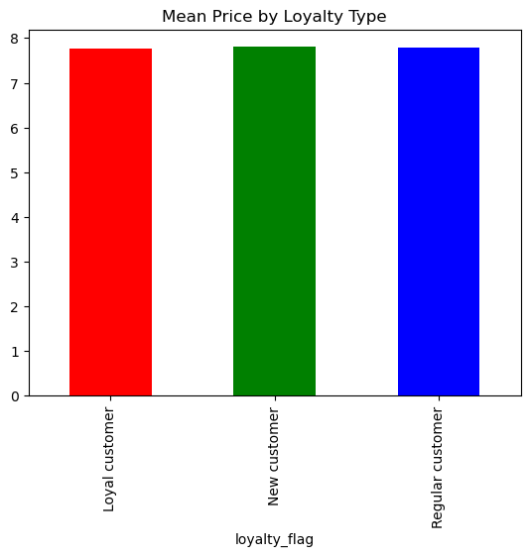
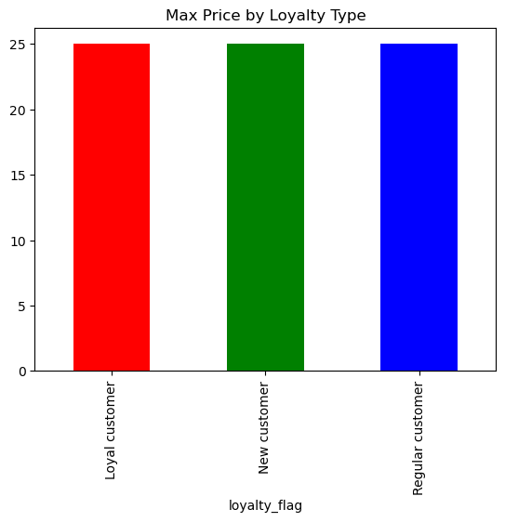

 | Commentary:
 | Ordering habits having do with item prices do not differ significantly by loyalty type of the customer. As for department breakdown, there is little difference between ratio of total orders by loyalty type for different departments.
____________________________________________________________________________________________________________________________________________________________________

 | Key Question #8:
 | Are there differences in ordering habits based on a customer’s region?
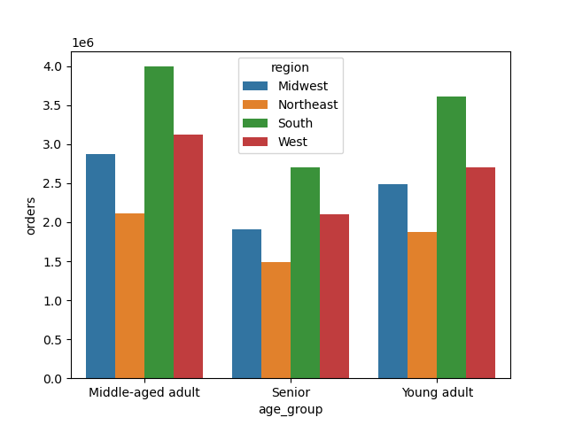

 | Commentary:
 | Regional differences maintain constant across age group in terms of order volume. Across the country, the most orders come from the South, followed by the West, the Midwest and finally the Northeast.
____________________________________________________________________________________________________________________________________________________________________

 | Key Question #9:
 | What different classifications does the demographic information suggest? Age? Income? Certain types of goods? Family status?
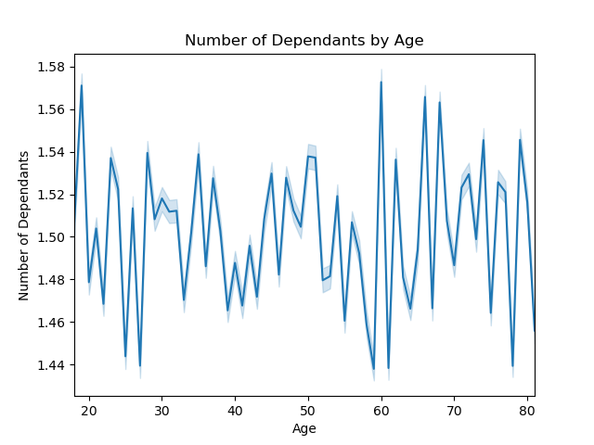
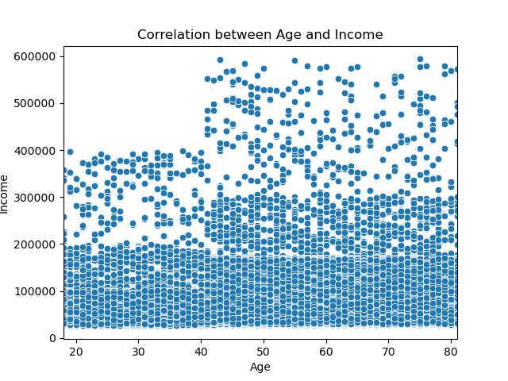

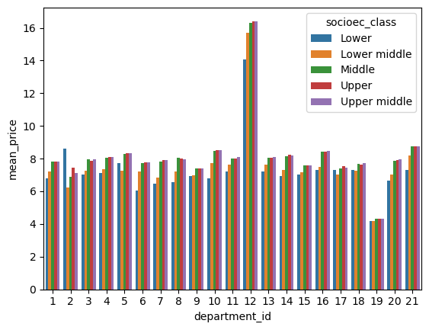

 | Commentary:
 | The demographic data suggests that age does not influence the number of dependants however it is a predictor of income. People over 40 are much more likely to make over 200K and in some cases make up to 600K whereas people below 40 make mostly below 200K and at most 400K. Further, the data suggests that the average price paid for meat & seafood is a high outlier among departments while snack are a low outlier. People of lower classes pay a disproportionately lower average price amongst socioeconomic classes for items in the meat & seafood, international, pets & beverages departments and disproportionately higher average price for items in the 'other' department.
____________________________________________________________________________________________________________________________________________________________________

 | Key Question #9:
 | What differences can you find in ordering habits of different customer profiles? Consider the price of orders, the frequency of orders, the products customers are ordering, and anything else you can think of.

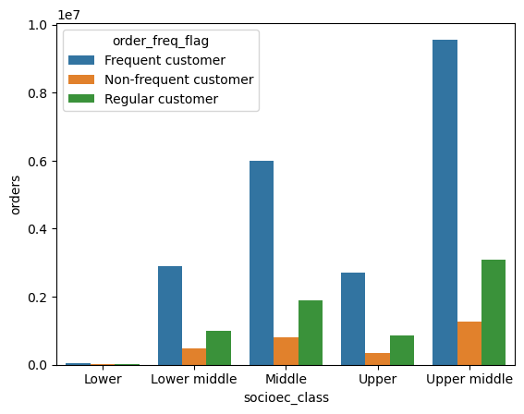

 | Commentary:
 | Total orders are far greater for Married Parents than for Single non-parents which are in turn far great than for Single parents. This may be a result of financial means and childcare cost experienced at each of these levels. In other words, married parents often are part of a dual income household and single non-parents have fewer financial stressors than single parents. Also upper middle class people make the most orders followed by middle class families. The order frequency within each socioeconomic group makes up a similar ratio.
____________________________________________________________________________________________________________________________________________________________________

 | Key Question #10:
 | Is there a connection between age and family status in terms of ordering habits?
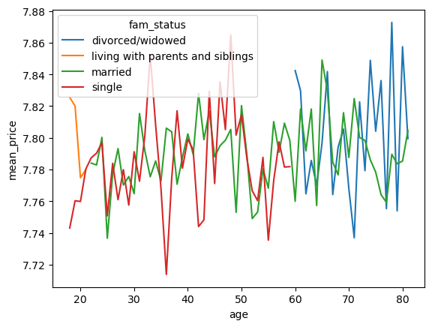

 | Commentary:
 | As a general trend, price increases as age increases which makes sense as people on average gain wealth as they age. However, segmenting by fam status provides another layer of insisght. Specifically, single people have pay a larger variation in price and there is no obvious trend in price as they age. Divorced and widowed people on the other hang have a pretty substantial increase in price as they age. Lastly, those living with parents and siblings actually see a decrease in price as they age which may be the result of becoming more financially independent as they age out of their teens and begin to live on their own.

7. Recommendations
 |  | Title page

Recommendations

In this tab you should include any recommendations you would made to Instcart in terms of their marketing strategy based on the questions posed in the brief. Every key question has been covered in the Tasks of the Exercises - here you need to add an item - a visualisation or table/crosstable that is showing the answer in the data, acompanied by a comment from you. Please, list the questions below and add the answer underneath.

Question | Answer
1. When should ads be schedule so as to avoid the days and hours where volume traffic is highest? | I suggest that instacart concentrates ad scheduling from 1am - 6am during the first half of the week, Monday to Wednesday. This will avoid high order volume periods like the weekends and work hours.

2. When do people spend the most money? How should advertise during this period to maximize revenue? | The analysis suggests that order prices are highest during the early morning (or late night) hours from about midnight to 4am and on weekends. It's safe to assume many of these people are likely using alcohol and prioritizing indulgent and quick food over healthier meals. It would be a good idea to advertise alcohol and easy, indulgent snacks like frozen pizza, chips and desserts. People are also willing to pay more at this time so within those food categories it may be worth promoting higher priced items and larger quantity items (party-size bags & cases of beer).

3. How should we categorize prices for simpler analysis? | I recommend that we use 4 buckets defined by the statistical quartiles of the price metric. As we can see, they each have a very similar number of total orders and therefore these groups will be helpful when comparing how other dimensions vary by price tier.

4. Are there certain types of products that are more popular than others? | Yes, by far the most ordered products are produce followed by eggs and dairy. Since the order frequency varies so wildly, it may be worth using department as an indicator for how to target customers by order type. In other words, products like produce, dairy and eggs may indicate a general grocery order while alcohol may indicate a late night convenience order. It's a good idea to market to customers for each order type in different ways.

5.What’s the distribution among users in regards to their brand loyalty. | Regular customers have the most orders followed by Loyal and then New customers. I recommend we look at how different metrics differ by these 3 groups. For instance we may want to tailor our marketing foe returning customers differently than new customers if for instance new customers are more likely to purchase low price items.

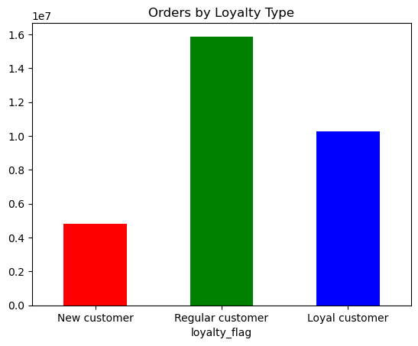

6. Are there differences in ordering habits based on a customer’s loyalty status? | We don’t find any large differences in eather mean price nor department id based on a customer's loyaltly status. It's worth investigating other behavior metrics but if this trend maintains aross most behaviors, it's likely not worth using loyalty type as a metric by which to segment our customer base and/or marketing strategies.

7. Is there a connection between age and family status in terms of ordering habits? | Yes, price increases as age increases which makes sense as people on average gain wealth as they age. However, segmenting by fam status provides another layer of insisght. Specifically, single people have pay a larger variation in price and there is no obvious trend in price as they age. Divorced and widowed people on the other hand have a pretty substantial increase in price as they age. Lastly, those living with parents and siblings actually see a decrease in price as they age which may be the result of becoming more financially independent as they age out of their teens and begin to live on their own. This might lead us to try increasing marketing spend on segments like divorced/widoed customers and customers that are young and live with parents since we know they are willing to pay a higher price for goods.

8. What different classifications does the demographic information suggest? Age? Income? Certain types of goods? Family status? | The demographic data suggests that age does not influence the number of dependants however it is a predictor of income. People over 40 are much more likely to make over 200K and in some cases make up to 600K whereas people below 40 make mostly below 200K and at most 400K. Further, the data suggests that the average price paid for meat & seafood is a high outlier among departments while snack are a low outlier. People of lower classes pay a disproportionately lower average price amongst socioeconomic classes for items in the meat & seafood, international, pets & beverages departments and disproportionately higher average price for items in the 'other' department. We might use this information to segment users by socioeconomic class. For isntance, it's worth investigating the other department to better understand why ito over indexes for lower class customers ultimately helping us better serve that segment of our customer base.

9. What differences can you find in ordering habits of different customer profiles? Consider the price of orders, the frequency of orders, the products customers are ordering, and anything else you can think of. | Total orders are far greater for Married Parents than for Single non-parents which are in turn far great than for Single parents. This may be a result of financial means and childcare cost experienced at each of these levels. In other words, married parents often are part of a dual income household and single non-parents have fewer financial stressors than single parents. Also upper middle class people make the most orders followed by middle class families. The order frequency within each socioeconomic group makes up a similar ratio. We may want to better segment by household status so that we can make it more accessible for single parents to order items from the babies and personal care departments.

